Project5099
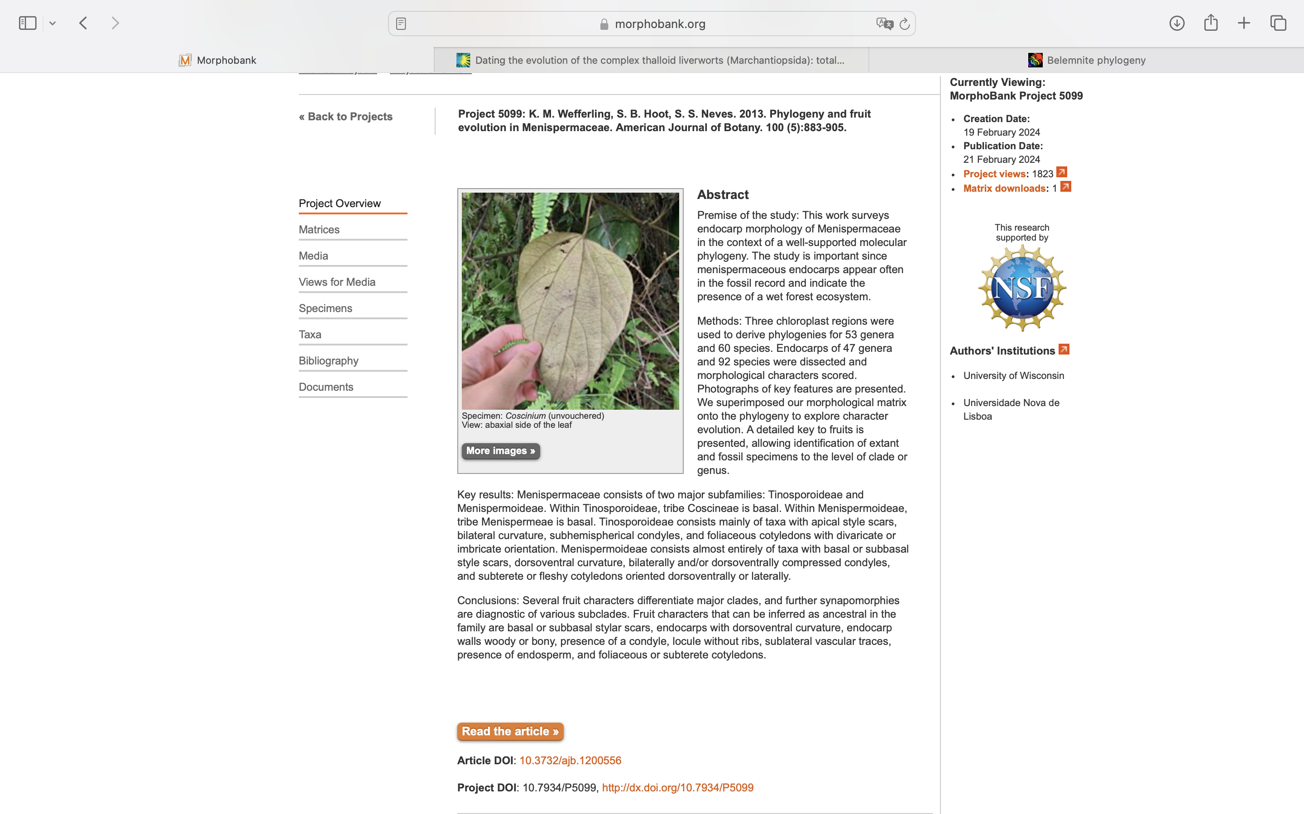
Charlabels | Character Pattern | Unseen States
[1] 'Fruit stylar scar position' | Transformational | YES
[2] 'Endocarp bilateral curvature' | Neomorphic | NO
[3] 'Endocarp dorsoventral curvature' | Neomorphic | NO
[4] 'Condyle subhemispherical/boat-shaped' | Neomorphic | NO
[5] 'Condyle a ventral groove' | Neomorphic | NO
[6] 'Condyle bilaterally compressed' | Neomorphic | NO
[7] 'Condyle dorsoventrally compressed' | Neomorphic | NO
[8] 'Endocarp with longitudinal and/or transverse ridging' | NT?;0=0-;1=11;2=12
[9] 'Endocarp wall thickness' | Transformational | YES
[10] 'Endocarp lateral chambers' | Neomorphic | NO
[11] 'Locule ribs conspicuous' | Neomorphic | NO
[12] 'Position of vascular traces entering locule' | Transformational | YES
[13] 'Endosperm type' | Transformational | YES
[14] 'Cotyledon type' | Transformational | YES
[15] 'Cotyledon orientation' | Transformational | YES

